Overview
AP322
System/Application Administration Configuration

?

 | Step | Description | Required / Optional | Owner | Complete Date | Managed by | Approval | Comments
 | 1 | VCP Request Sets are to be modified by adding the XXNBTY VCP Legacy Flat File Checking concurrent program to the Request Set. The Request Sets are: 1. XXNBTY Daily Planning Request Set - MRP 2.XXNBTY Planning Request Set - MPS AND MRP | Required | VCI | 7-May-15 | NBTY IT

XXNBTY Daily Planning RS - MRP
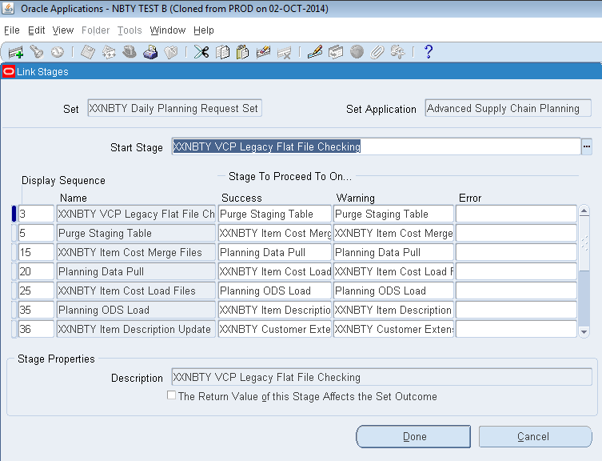
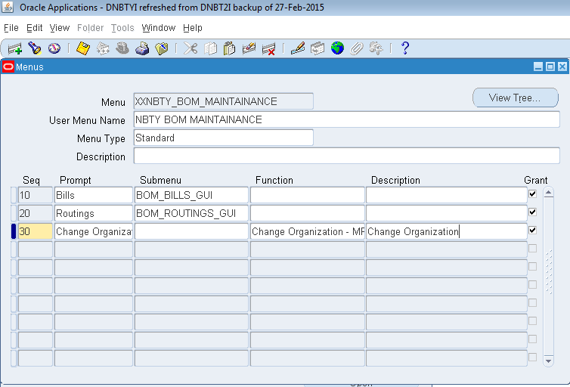
Modify VCP Request Set

A. Modifying XXNBTY Daily Planning Request Set - MRP Request Set
Step # | Task | Screenshot
1 | Login to Oracle VCP application. | -
2 | Navigate to Systems Administrator > Requests > Sets>. | See screenshot 1.0 | Screenshot 1.0 - Request Set form opens
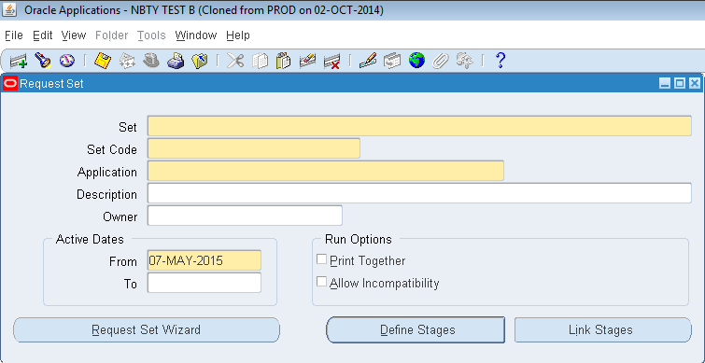
3 | Press F11 (query mode). Enter "XXNBTY Daily Planning Request Set - MRP" in the Set name. | See screenshot 2.0
4 | Press CTRL+F11 to execute query. | See screenshot 3.0
5 | Click Define Stages button. Enter the following values as shown in Screenshot 4.0: Display Sequence = 3 Stage Code = Stage03 Stage = XXNBTY VCP Legacy Flat File Checking Description = XXNBTY VCP Legacy Flat File Checking Click Requests button | See screenshot 4.0
6 | Enter the following details as reflected in Screenshot 5.0 Seq = 10 Program = XXNBTY VCP Legacy Flat File Checking | See screenshot 5.0
7 | Click Parameters button. Enter the following parameters as shown from Screenshot 6.0 below. 10 Number of Retries: Constant = 3 20 Interval of Retries in Minutes: Constant = 10 30 Legacy Flat File Location: Constant = /home/nbtydata/incoming | See screenshot 6.0
8 | Click Save icon to save the transaction. | -
9 | Close Request Parameters window. Close Requests window. Close Stages window. | - | Screenshot 2.0 - "XXNBTY Daily Planning Request Set - MRP" is entered in Set name.
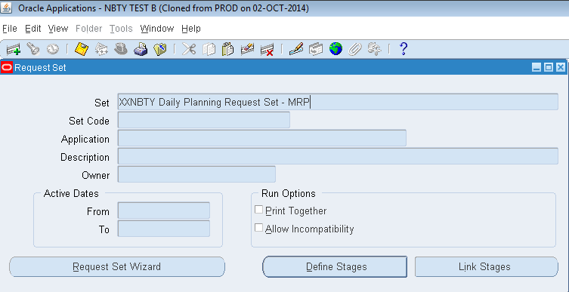
10 | With Request Set still open, Click on Link Stages button. | Screenshot 7.0
11 | Enter the following data as shown in screenshot 8.0 below: Start Stage: XXNBTY VCP Legacy Flat File Checking 3 XXNBTY VCP Legacy Flat File Checking Success = Purge Staging Table Warning = Purge Staging Table | Screenshot 8.0
12 | Click Done button to finish transaction. Then close all windows. | -

 |  |  | Screenshot 3.0 - "XXNBTY Daily Planning Request Set - MRP" Set name is queried showing the details.

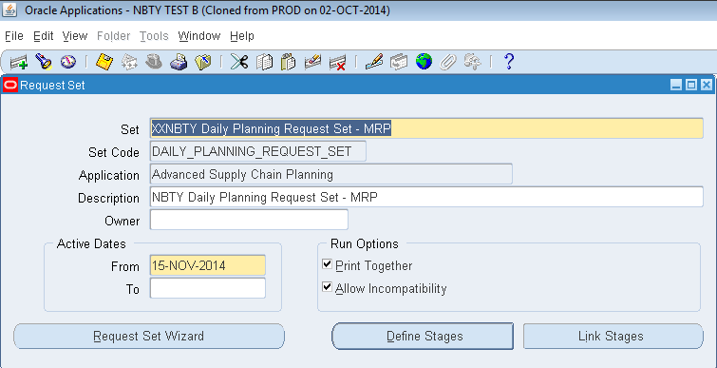

 |  |  | Screenshot 4.0 - Stages Form Opens.
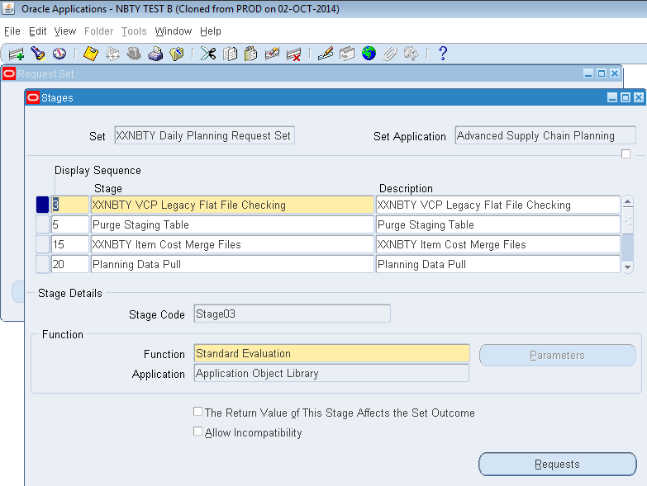

 |  |  | Screenshot 5.0 - Stage Request form window opens.

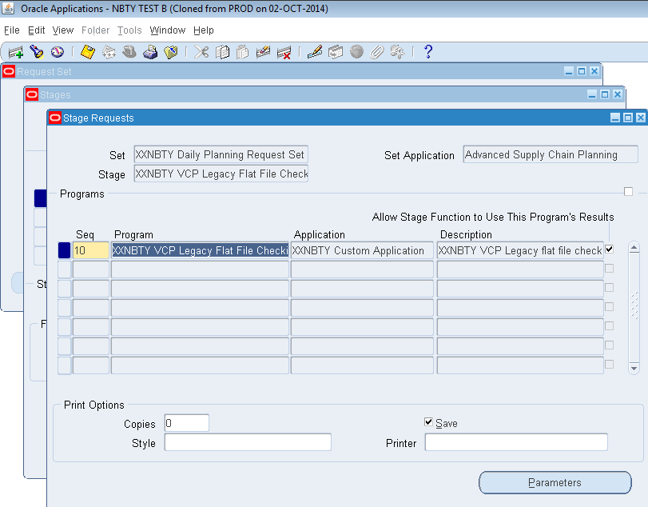

 |  |  | Screenshot 6.0 - Request Parameters window opens.

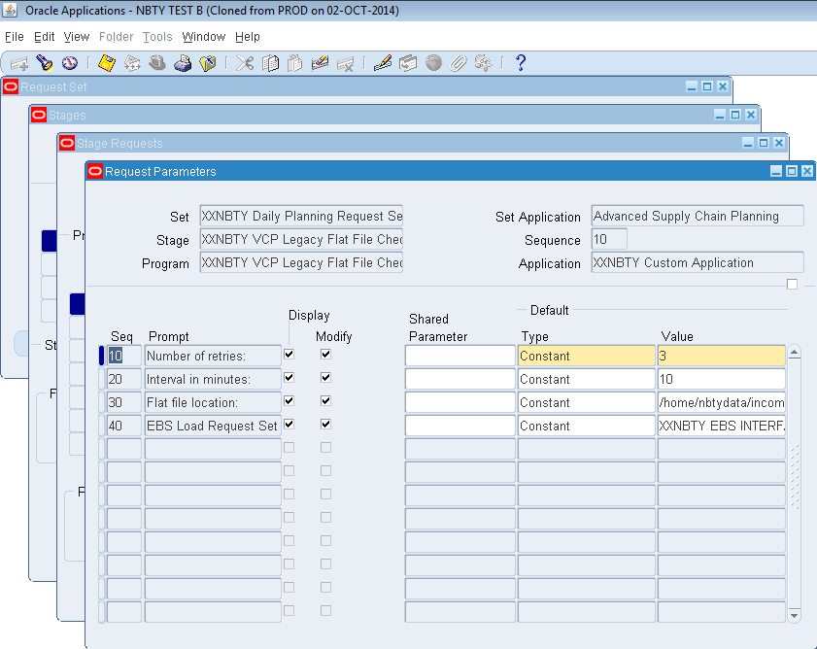

 |  |  | Screensot 7.0 - Window is back to Request Set window and Link Stages window opens upon clicking its button.



 |  |  | Screensot 8.0 - Link Stages window

XXNBTY Planning RS-MPS and MRP

Modify VCP Request Set

A. Modifying XXNBTY Planning Request Set - MPS AND MRP Request Set
Step # | Task | Screenshot
1 | Login to Oracle VCP application. | -
2 | Navigate to Systems Administrator > Requests > Sets>. | See screenshot 1.0 | Screenshot 1.0 - Request Set form opens
3 | Press F11 (query mode). Enter "XXNBTY Planning Request Set - MPS AND MRP" in the Set name. | See screenshot 2.0
4 | Press CTRL+F11 to execute query. | See screenshot 3.0
5 | Click Define Stages button. Enter the following values as shown in Screenshot 4.0: Display Sequence = 3 Stage Code = Stage03 Stage = XXNBTY VCP Legacy Flat File Checking Description = XXNBTY VCP Legacy Flat File Checking Click Requests button | See screenshot 4.0
6 | Enter the following details as reflected in Screenshot 5.0 Seq = 10 Program = XXNBTY VCP Legacy Flat File Checking | See screenshot 5.0
7 | Click Parameters button. Enter the following parameters as shown from Screenshot 6.0 below. 10 Number of Retries: Constant = 3 20 Interval of Retries in Minutes: Constant = 10 30 Legacy Flat File Location: Constant = /home/nbtydata/incoming | See screenshot 6.0
8 | Click Save icon to save the transaction. | -
9 | Close Request Parameters window. Close Requests window. Close Stages window. | - | Screenshot 2.0 - "XXNBTY Planning Request Set - MPS AND MRP" is entered in Set name.
10 | With Request Set still open, Click on Link Stages button. | Screenshot 7.0
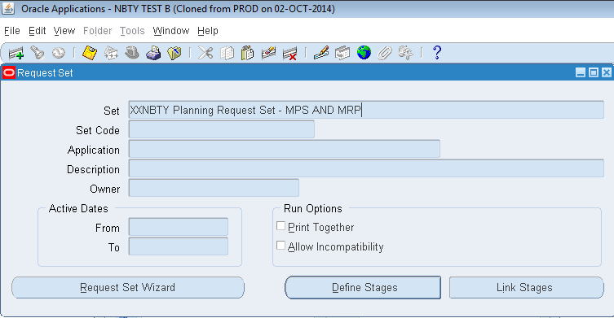
11 | Enter the following data as shown in screenshot 8.0 below: Start Stage: XXNBTY VCP Legacy Flat File Checking 3 XXNBTY VCP Legacy Flat File Checking Success = Purge Staging Table Warning = Purge Staging Table | Screenshot 8.0
12 | Click Done button to finish transaction. Then close all windows. | -

 |  |  | Screenshot 3.0 - "XXNBTY Planning Request Set - MPS AND MRP" Set name is queried showing the details.

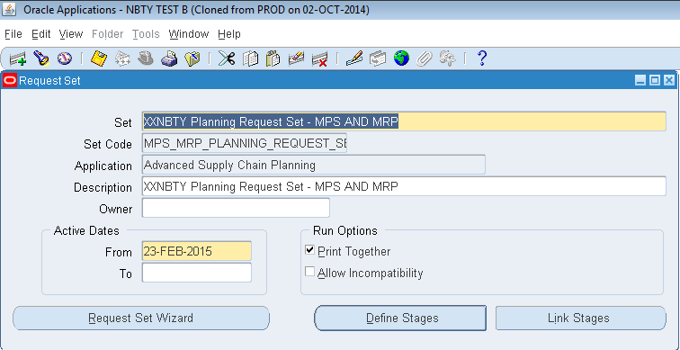

 |  |  | Screenshot 4.0 - Stages Form Opens.
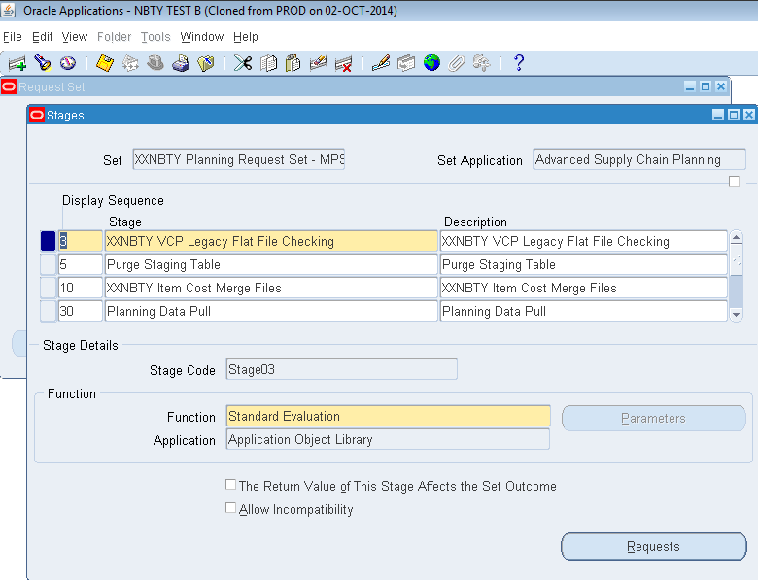

 |  |  | Screenshot 5.0 - Stage Request form window opens.

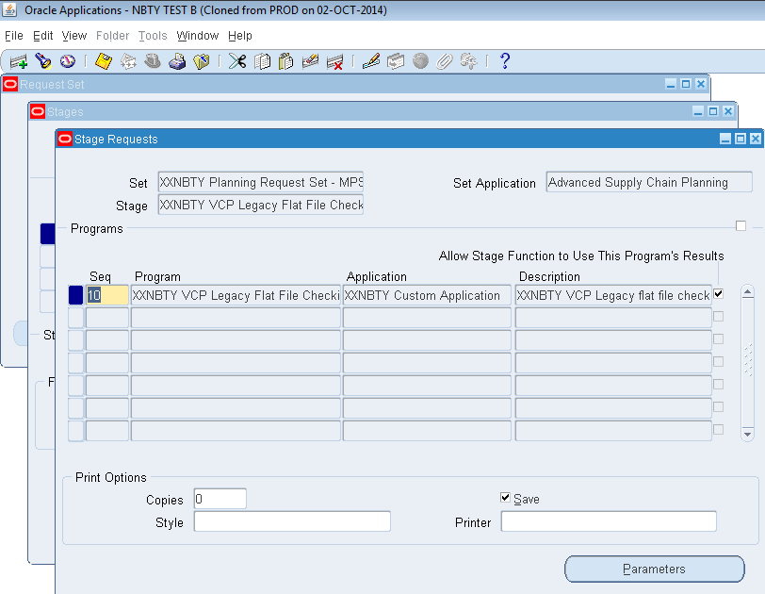

 |  |  | Screenshot 6.0 - Request Parameters window opens.
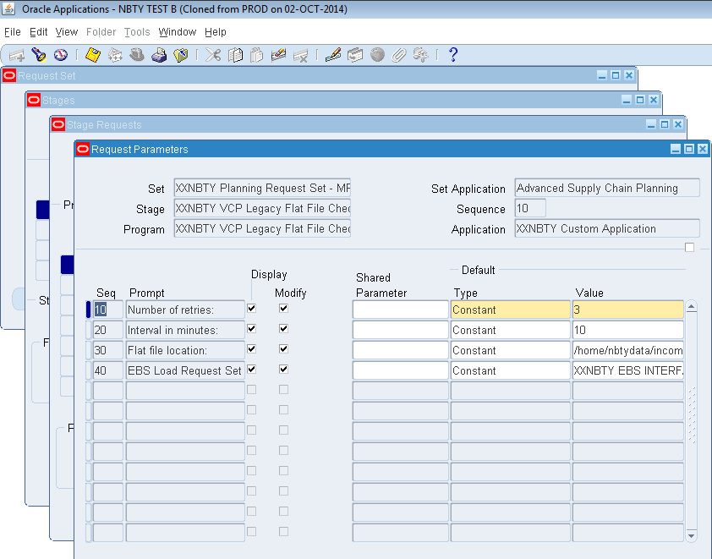

 |  |  | Screensot 7.0 - Window is back to Request Set window and Link Stages window opens upon clicking its button.
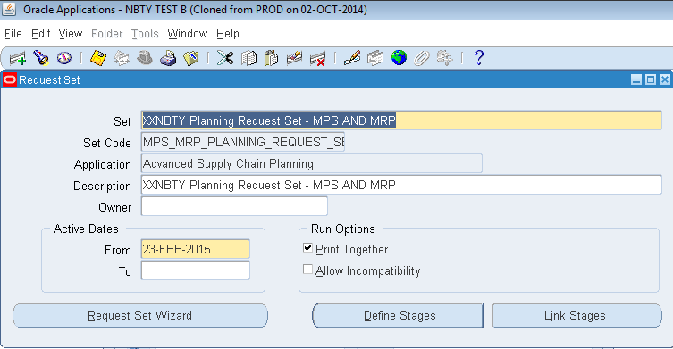

 |  |  | Screensot 8.0 - Link Stages window

